Sheet1
...
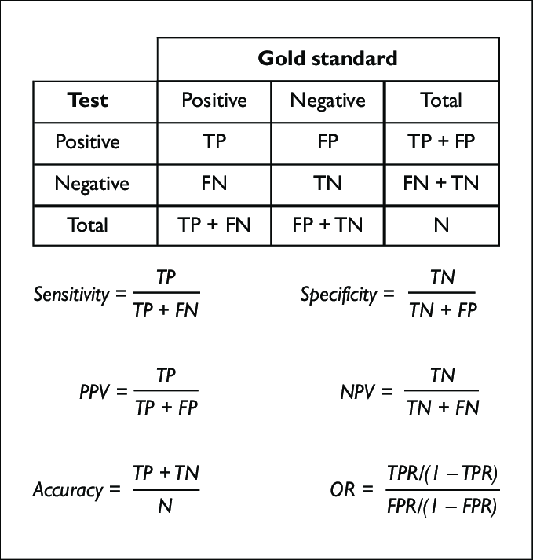
 |  |  |  |  | TP | TN
 |  |  |  | FP | 131 | 10
 |  |  |  | FN | 2 | 123
...
 |  |  | Sensitivity= | Recall | 0.985
 |  |  |  | Specificity | 0.925
 |  |  |  | Accuracy | 0.955
008 | 10 |  |  | Precision | 0.929
009 | 10 |  |  | F1 | 0.956
010 | 10
011 | 10 |  | Reasoning average: |  | 9.87
012 | 10
013 | 10 | Score | score
014 | 10 | 1 | 0
015 | 10 | 2 | 0
016 | 10 | 3 | 0
017 | 10 | 4 | 3
Score distribution for reasoning 1-10
018 | 10 | 5 | 0
019 | 10 | 6 | 0
020 | 10 | 7 | 1
021 | 10 | 8 | 4
022 | 10 | 9 | 6
023 | 10 | 10 | 252
024 | 10
025 | 10
026 | 10
027 | 10
028 | 10
029 | 10
030 | 10
031 | 10
032 | 10
033 | 10
034 | 10
035 | 10
036 | 10
037 | 10
038 | 10
039 | 10
040 | 10
041 | 10
042 | 10
043 | 10
...

